Criteria
Category | Score | Description of Severity
Catastrophic | 5 | - Enforcement action by Regulatory agency such as consent decree, product seizure
 |  | - Very significant and catastrophic impact, significant losses and inefficiencies, necessitating immediate attention. Loss of operating capability, deterioration of efficiency
 |  | - Critical deviation from GMP requirements
 |  | - Batch failure : Batch does not or will not meet the specifications e.g. Any degradation product exceeding the specification, Contamination (microbial or other type), etc.
 |  | - Global product recalls (if any)
Critical | 4 | - Regulatory agency inspection may conclude serious non-compliance
 |  | - Likely product recalls from one or more markets
Moderate | 3 | - Regulatory agency inspection may identify a major concern, but deficiency quite easily resolved
 |  | - Limited product recalls possible
 |  | - Impact on operations and efficiency, but not pervasive. Management intervention required.
 |  | - Noticeable impact to product quality
Minor | 2 | - May require Regulatory agency notification
 |  | - Decision to release product not compromised
Negligible | 1 | - No regulatory issue
 |  | - No effect on and not noticeable by patient
 |  | - Limited or no impact on operations and quality of operational efficiency
 |  | - No impact to product quality and process robustness

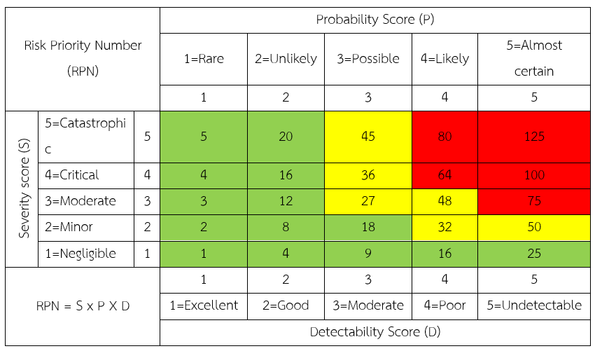
Category | Score | Probability of Occurrence | Description Probability of Occurrence
Rare | 1 | <10% | Seen every 10 – 30 years
Unlikely | 2 | 10 – 24% | Seen every 5 – 9 years
Possible | 3 | 25 – 59% | Seen every 1 – 4 years
Likely | 4 | 60 -89% | Seen to occur 2 - 3 times a year
Almost certain | 5 | > 90% | Seen to occur more than 3 times a year

Category | Score | Description of Detectability
Undetectable | 5 | - No control exists
 |  | - Detection controls are absent
 |  | - Low likelihood that controls will detect the failure mode or its effects.
 |  | - Insufficient information to adequately assess and rate the control
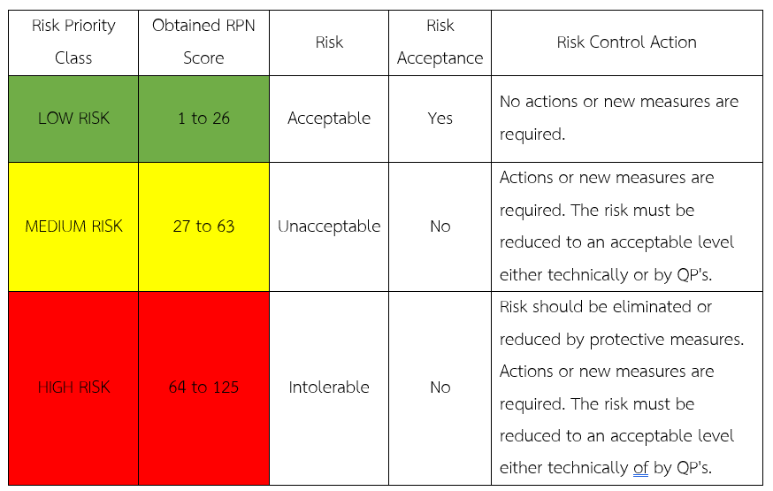
Poor | 4 | - Very little chance of detection
 |  | - No procedural system in place, no risk reduction process procedure in place.
Moderate | 3 | - Not effective detection
 |  | - Likely to be detected
 |  | - Medium likelihood that controls will detect the failure mode or its effects.
 |  | - Mitigation plans or risk reduction process and procedures though in place but do not ensure adequate control over risk occurrence / impact as the risk still exists over its acceptance level.
Good | 2 | - Very likely to be detected
 |  | - Approved mitigation plans or risk reduction procedures, Checklists are laid down for early detection and immediate corrective actions are taken.
Excellent | 1 | - Very effective detection
 |  | - 100% likelihood of detection
 |  | - High likelihood that controls will detect the failure mode or its effects.
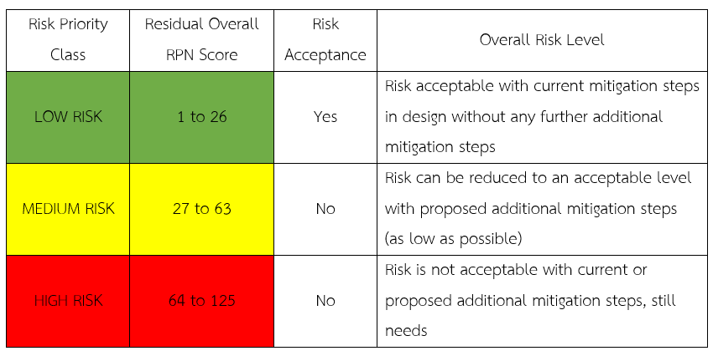
 |  | - Mitigation plans or risk reduction process and procedures involve stringent approval and reporting norms with responsibility duly mapped to various management levels, minimizing possibility of occurrence / optimizing protection in the case of occurrence of the same at very early stage, controlling and reducing the risk.

